OCavg
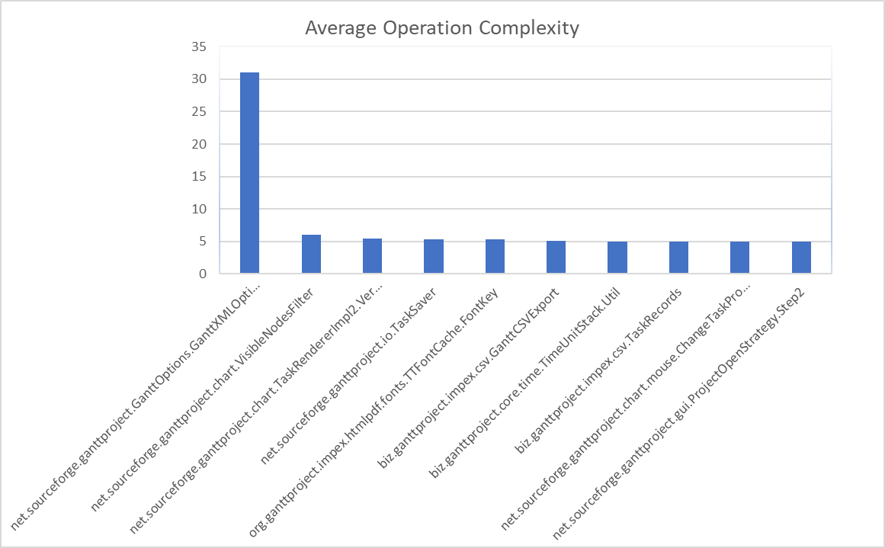
Class | OCavg | OCmax | WMC
net.sourceforge.ganttproject.GanttOptions.GanttXMLOptionsParser | 31.0 | 86.0 | 93.0
net.sourceforge.ganttproject.chart.VisibleNodesFilter | 6.0 | 6.0 | 6.0
net.sourceforge.ganttproject.chart.TaskRendererImpl2.VerticalPartitioning | 2022-05-05 | 10.0 | 11.0
net.sourceforge.ganttproject.io.TaskSaver | 5,333,333,333,333,330 | 17.0 | 32.0
org.ganttproject.impex.htmlpdf.fonts.TTFontCache.FontKey | 5,333,333,333,333,330 | 12.0 | 16.0
biz.ganttproject.impex.csv.GanttCSVExport | 5,071,428,571,428,570 | 22.0 | 71.0
biz.ganttproject.core.time.TimeUnitStack.Util | 5.0 | 5.0 | 5.0
biz.ganttproject.impex.csv.TaskRecords | 5.0 | 4.0 | 45.0
net.sourceforge.ganttproject.chart.mouse.ChangeTaskProgressRuler | 5.0 | 6.0 | 10.0
net.sourceforge.ganttproject.gui.ProjectOpenStrategy.Step2 | 5.0 | 5.0 | 5.0

OCmax
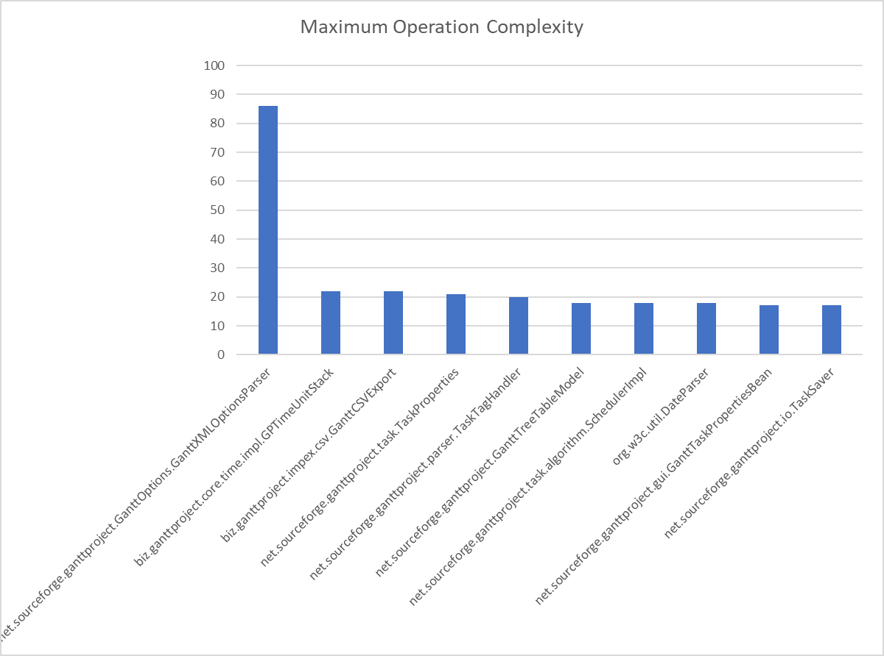
Class | OCavg | OCmax | WMC
net.sourceforge.ganttproject.GanttOptions.GanttXMLOptionsParser | 31.0 | 86.0 | 93.0
biz.ganttproject.core.time.impl.GPTimeUnitStack | 3,066,666,666,666,660 | 22.0 | 46.0
biz.ganttproject.impex.csv.GanttCSVExport | 5,071,428,571,428,570 | 22.0 | 71.0
net.sourceforge.ganttproject.task.TaskProperties | 37,333,333,333,333,300 | 21.0 | 56.0
net.sourceforge.ganttproject.parser.TaskTagHandler | 4,142,857,142,857,140 | 20.0 | 29.0
net.sourceforge.ganttproject.GanttTreeTableModel | 3.0 | 18.0 | 75.0
net.sourceforge.ganttproject.task.algorithm.SchedulerImpl | 2022-06-03 | 18.0 | 36.0
org.w3c.util.DateParser | 2022-09-02 | 18.0 | 29.0
net.sourceforge.ganttproject.gui.GanttTaskPropertiesBean | 21,052,631,578,947,300 | 17.0 | 80.0
net.sourceforge.ganttproject.io.TaskSaver | 5,333,333,333,333,330 | 17.0 | 32.0

WMC
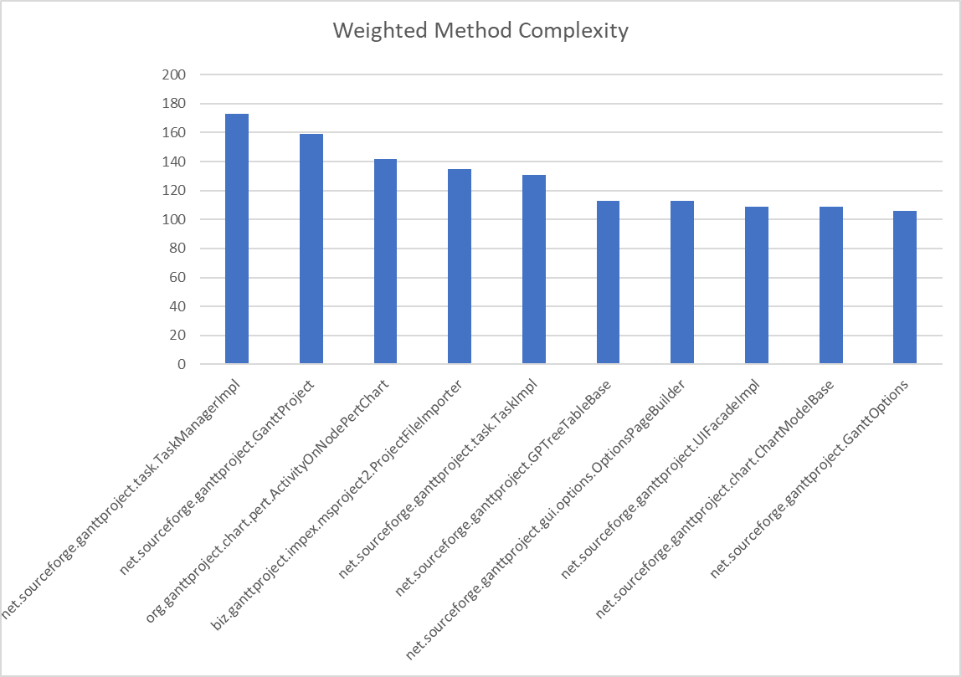
Class | OCavg | OCmax | WMC
net.sourceforge.ganttproject.task.TaskManagerImpl | 19,885,057,471,264,300 | 4.0 | 173.0
net.sourceforge.ganttproject.GanttProject | 1,606,060,606,060,600 | 2.0 | 159.0
org.ganttproject.chart.pert.ActivityOnNodePertChart | 2,406,779,661,016,940 | 1.0 | 142.0
biz.ganttproject.impex.msproject2.ProjectFileImporter | 30,681,818,181,818,100 | 16.0 | 135.0
net.sourceforge.ganttproject.task.TaskImpl | 15,057,471,264,367,800 | 1.0 | 131.0
net.sourceforge.ganttproject.GPTreeTableBase | 1,547,945,205,479,450 | 4.0 | 113.0
net.sourceforge.ganttproject.gui.options.OptionsPageBuilder | 1,591,549,295,774,640 | 2.0 | 113.0
net.sourceforge.ganttproject.UIFacadeImpl | 14,931,506,849,315,000 | 7.0 | 109.0
net.sourceforge.ganttproject.chart.ChartModelBase | 1,379,746,835,443,030 | 3.0 | 109.0
net.sourceforge.ganttproject.GanttOptions | 13,766,233,766,233,700 | 3.0 | 106.0

